HTM SS2
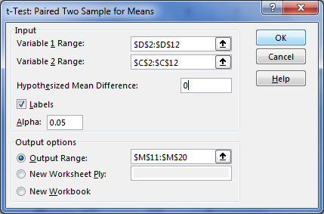
Outlet No. | Before Campaign | After Compaign | dbar | H0 : | Mu1 -Mu2 | Difference | `=0 |  |  | H0: sale after the promotion is false
1 | 240 | 270 | 30 | Ha : | Mu1-Mu2 | Differences | `!=0 |  |  | Ha: sale after the promotion was right
2 | 225 | 245 | 20
3 | 250 | 260 | 10 | dbar :
4 | 280 | 290 | 10
5 | 200 | 190 | -10 | N1 | 10 | DF N1 | 9 | N2 | 10 | DF N2 | 9
6 | 150 | 160 | 10 | x1 BAR | 191 |  |  | x2 BAR | 201.5
7 | 165 | 160 | -5
8 | 100 | 130 | 30
9 | 130 | 135 | 5 |  |  |  |  |  |  | t-Test: Paired Two Sample for Means
Where D=X₁-X₂
10 | 170 | 175 | 5
 |  |  |  |  |  |  |  |  |  |  | After Compaign | Before Campaign
 |  | dbar | 10.5 |  |  |  |  |  |  | Mean | 201.5 | 191
 |  | s | 13.218253373 |  |  |  |  |  |  | Variance | 3516.9444444 | 3315.5555556
 |  | se | 4.1799787347 |  |  |  |  |  |  | Observations | 10 | 10
 |  |  |  |  |  |  |  |  |  | Pearson Correlation | 0.9748513353
 |  | T | 2.5119745019 |  |  |  |  |  |  | Hypothesized Mean Difference | 0
 |  | Tinv or critial | 2.2621571628 |  |  |  |  |  |  | df | 9
 |  |  |  |  |  |  |  |  |  | t Stat | 2.5119745019
 |  | T>Tcritical - reject H0, outlet after the promotion did well |  |  |  |  |  |  |  | P(T<=t) one-tail | 0.016601505439
 |  |  |  |  |  |  |  |  |  | t Critical one-tail | 1.8331129327
 |  | Paired |  |  |  |  |  |  |  | P(T<=t) two-tail | 0.033203010878
 |  |  |  |  |  |  |  |  |  | t Critical two-tail | 2.2621571628

